Planilha1
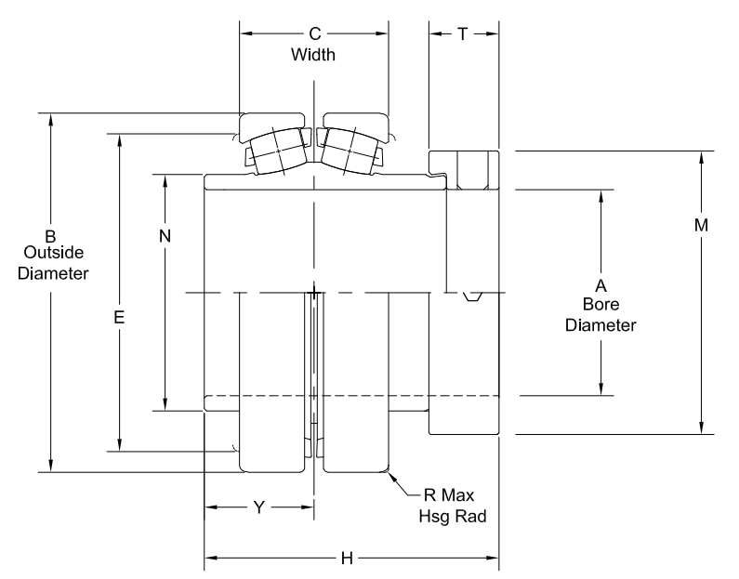
Medida | Significado | Valor [in] | Valor [mm] | ball diameter | 11.176
Shaft Diam | 1 15/16" | 1.9375 | 49.2125 | inner race diameter | 58.674
A | Bore Diam | 1.9375 | 49.2125 | outer race diameter | 81.026
B | Outside Diam | 3.5438 | 90.01252 | diametro medio | 69.85
C | Width | 1.53 | 38.862
E |  | 3.19 | 81.026 | perimetro medio | 219.44024685
H |  | 3.28 | 83.312 | numero de esferas | 18
M |  | 2.75 | 69.85
N |  | 2.31 | 58.674
Ângulo |  | 14 | 0.24434609528

